Instructions
DrillSim 1.0.0
Introducing ExxonMobil's transient drill string dynamics modeling tool

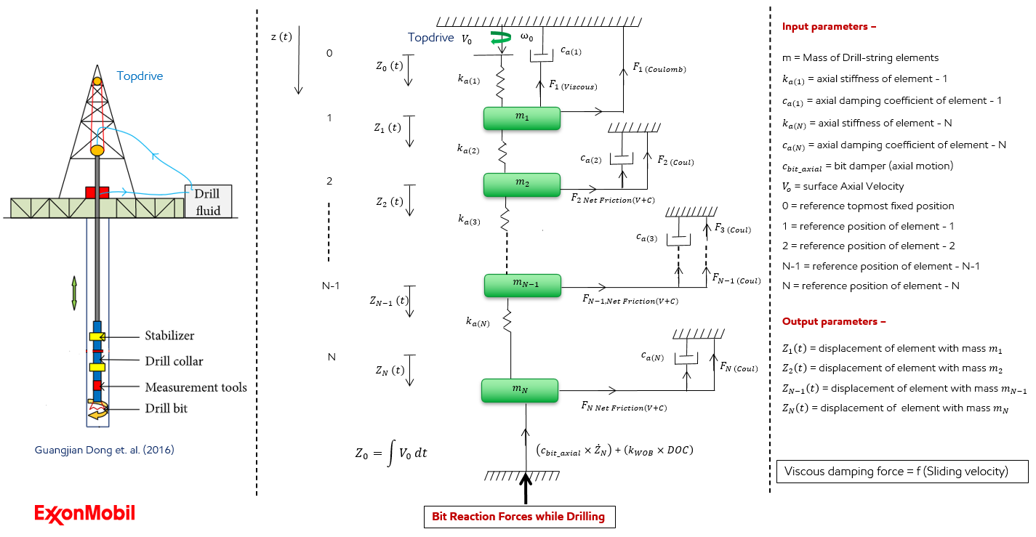
Inputs
Fill in the sheets below
S.No | Sheet Name | Paramters
1 | well_survey | MD, TVD, DLS, Vertical section, inclination, Azimuth (Feed this data into well_survey sheet)
2 | Drill_pipe_specs | OD, ID , Total length, total weight, total drill pipe length
3 | BHA_specs | BHA element type, element specs, number of joints , OD, ID, length, weight, presence of mud motor
4 | Borehole_properties | mud weight, friction coefficients, drag coefficients, buoyancy factor,
5 | Advanced | element length , simulation run time, rock strength, trip length, hole diameter
6 | Top drive inputs | adjustable rop and rpm curves
7 | Agitator_inputs | work in progress
8 | Heave_inputs
9 | Mud_motor_inputs

Outputs
S.No | Name | Description
1 | Outputs.pickle | A dictionary of all raw data during the analysis
2 | Outputs.html | An interactive plots of important parameters

Pre-requisites
Requires python to be installed in your system
Requires drillsim library to be installed

Important contacts
Anirban Manna
Rajat Dixit
Paul Pastusek
Greg Payette

well_survey
MD [m] | Inclination [°] | Azimuth [°] | TVD [m] | Vert Sect [m] | DLS [°/30m]
0 | 0
50 | 0
100 | 0.22
150 | 0.25
200 | 0.28
250 | 0.2
300 | 0.14
350 | 0.25
400 | 0.39
450 | 0.35
500 | 0.21
550 | 0.14
600 | 0.24
650 | 0.4
700 | 0.37
750 | 0.18
800 | 0.13
850 | 0.13
900 | 0.1
950 | 0.04
1000 | 0.08
1050 | 0.14
1100 | 0.14
1150 | 0.18
1200 | 0.35
1250 | 0.35
1300 | 0.79
1350 | 1.23
1400 | 1.5
1450 | 1.85
1500 | 2.29
1550 | 3.17
1600 | 3.7
1650 | 4.49
1700 | 5.2
1750 | 5.96
1800 | 6.98
1850 | 8.03
1900 | 9.03
1950 | 9.32
2000 | 9.73

 | Vert Sect [m]

